Module 7
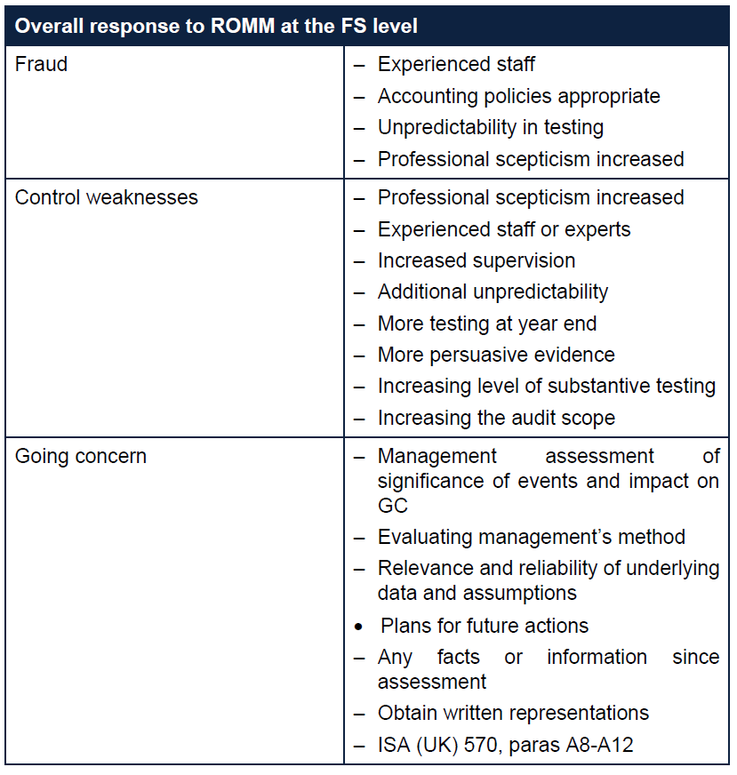
Main

 | 5 Stages of the audit
 | Continuance and acceptance
 | Planning
 | control
 | Substance
 | Concluding

 | Want to do the right amount of testing. Not too much. Not too little
 | need to be efficient

 | Bookmark certain pages in the ISA standard.
 | highly recommended to read

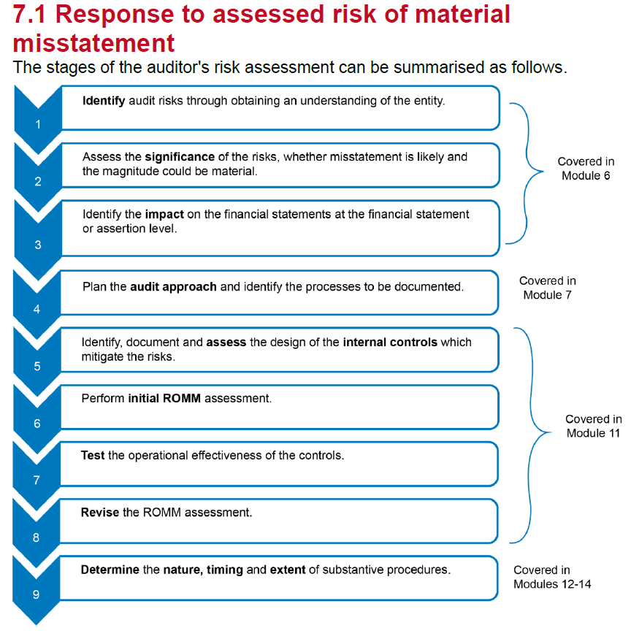

 |  |  |  |  |  | understanding the entity

 |  |  |  |  |  | assess signifiacance of the risks

 |  |  |  |  |  | assess the impact of risk on the financial statements or abcot

 |  |  |  |  |  | Plan the approach - overall strategy and detailed plan

 |  |  |  |  |  | D&I

 |  |  |  |  |  | Risk assesment

 |  |  |  |  |  | OE

 |  |  |  |  |  | revise risk assesment

 |  |  |  |  |  | design substantive procedures in response to risks identified in the risk assesment

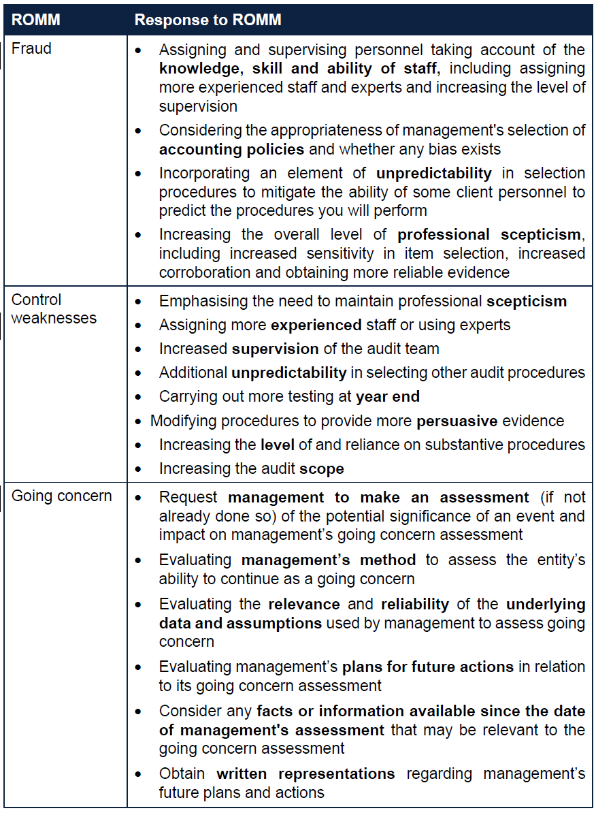

 | ISA 240 Appendix 2

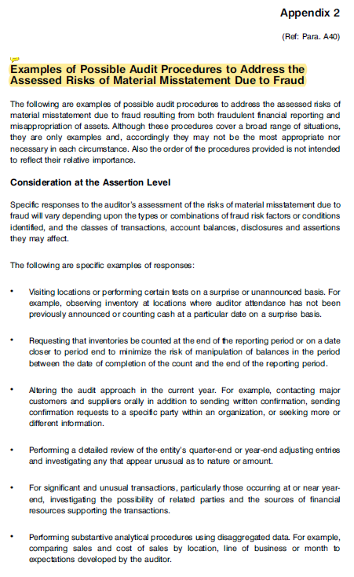
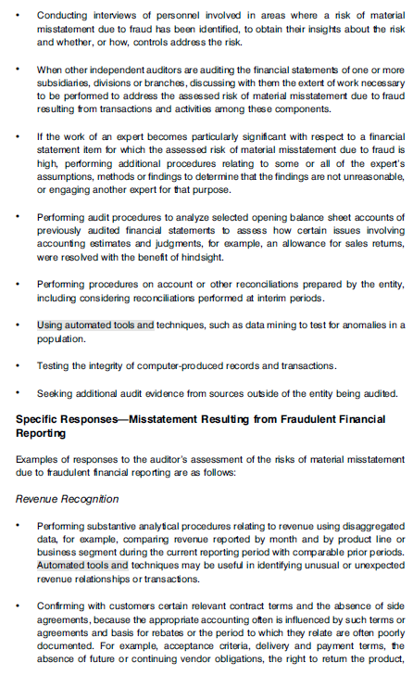
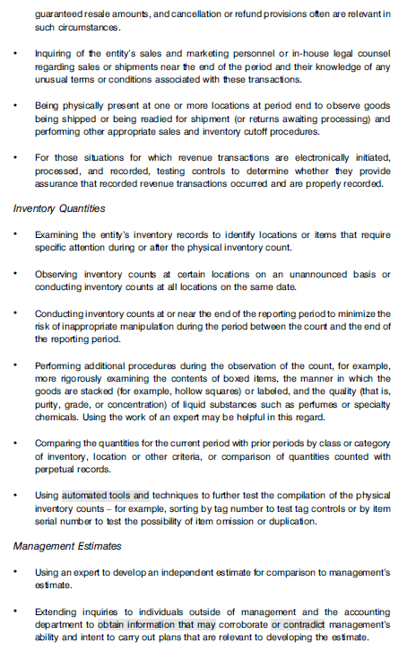
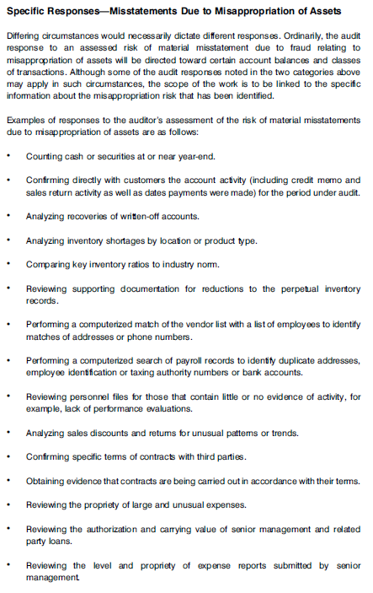

 | Common JET criteria

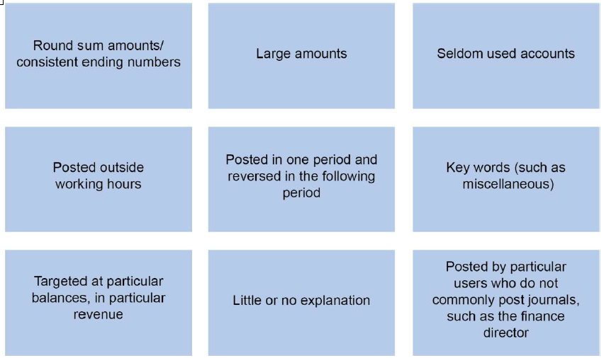

 | outside working hours. We would still look at this despite this not being so risky anymore

 | Activity number 1
 | Journal A
 | MOOC. Test all similar journals taking cashflows from Retained earnings to payroll or executive accounts
 | This was the CEOs only journal in the period. We would never expect to see journals being posted or authorised by the chief exec.
 | Self review threat
 | he is authorising his own bonus
 | fraud risk
 | Even though this journal is below PM - it is material in nature
 | procedures - look at director's contract, article of association.

 | Journal E
 | using forward contract - complex accounting
 | payroll officer is unlikely to be the person to calculate this.
 | time pressured staff and does not likley have the sills required.

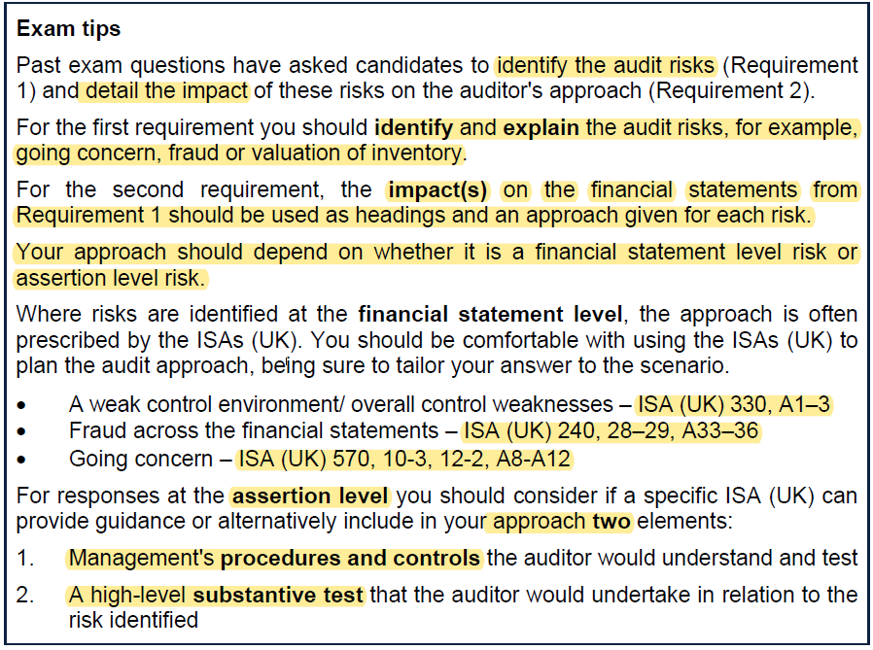

 | Fruad risk at assertion level - refer to ISA 240 appx 2

 | think about layout
 | table or headings/subheadings

 | Identify and evaluate
 | YE | 31/9/2021

 | aside - if credit terms are ever mentioned - then they are wanting you to do something with it

 | Identify | Evaluate | Procedures
 | Foreign currency risk | foreign exhange is complex. Could lead to mistakes. Could impact the payables value. Cost of inventory. "Now imports" - this suggests this is a new process. This is a new process and it is complex
 | inventory transfers not ceasing during counts. | this affects completeness and existence of the inventory count and subsequenlty valuation
 | Freezing finance director pay. | finance director has left the company on bad terms. Former FD has not been replaced and his assistant has taken on the role.

 |  |  | actual | Draft | y/y
 | FG |  | 4,900 | 13,800 | -64%
 | AR |  | 8,300 | 11,800 | -30%
 | other recevables |  | 600 | 700 | -14%
 | bank o/d |  | 200 | 0 | #DIV/0!
 | bank |  | 0 | 750 | -100%

 | GP |  | 4,720 | 2,425 | 95%
 | PBT |  | 2,270 | 1,025 | 121%

 |  |  | 2021 | 2020
 | GP profit margin |  | 3% | 8% | -63%
 | other profit margin |  | 10% | 12% | -17%

 | AR day - super |  | 81 | 62 | 31%
 | AR days - other |  | 31 | 33 | -6%
 | inventory dayts |  | 85 | 35 | 143%
 |  |  | 136 | 67

 | stock down
 | AR down
 | in overdraft
 | GP and PBT up
 | GP and PBT margin down
 | making more sales. Doing more volume - hence lower inventory
 | however collection days are up year on year
 | this is localised to the supermarket. Other customers are paying on time
 | inventory days up significantly - this is in relation to the increase stock required by the supermarket

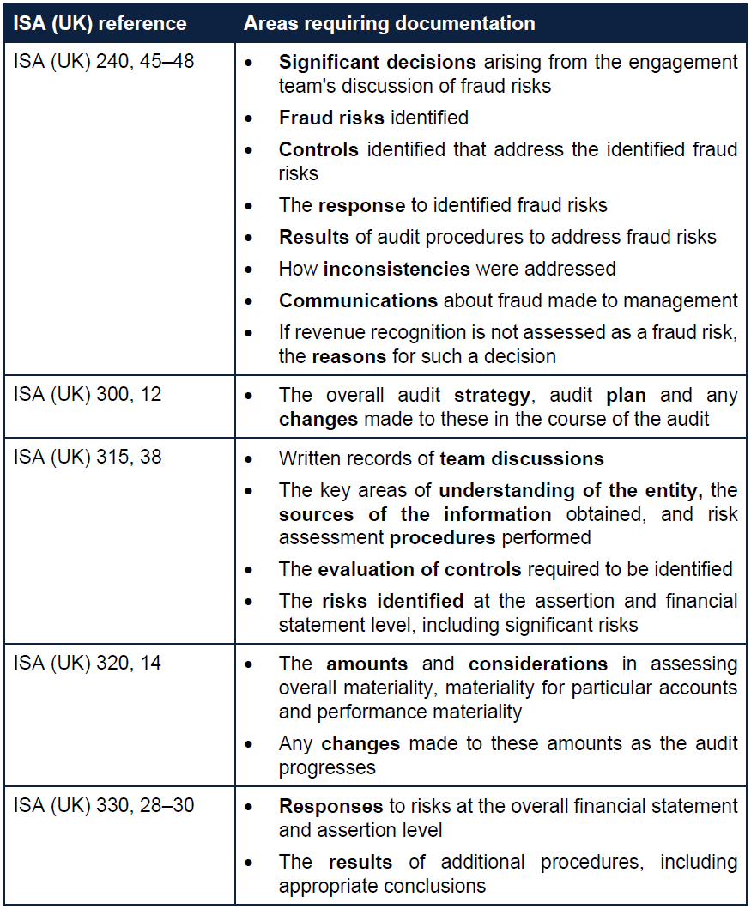

 | BSSMART
 | Background
 | Systems
 | Staffing
 | Materiality
 | Analytical procedure results
 | Risk assesment
 | Timetable

